ReadMe
Basic Classification: Analysis of Research Activity
Version 1: January 5, 2022
Version 2: January 26, 2022
Version 3: January 30, 2022
Version 4: February 2, 2022 (10am, same-day update)
Version 5: May 2, 2022 (Modified ** note on institutions included in analysis)
Version 6: March 30, 2023 (Corr
This file contains information on the measures of research activity used in the Basic classification. Please bear the following information in mind when reviewing this material:
- These measures analyze the relative level of research activity. They do not address issues of quality, impact, or significance. The resulting categories do not imply quality differences.
- This is one of many possible ways to analyze research activity. Other approaches might be more appropriate to other purposes.
- While this approach is suitable for classification purposes, we do not believe the institution-level results should be used for institution-by-institution comparison and ranking.
We created two indices of research activity--aggregate and per-capita--based on principal components analysis (PCA) of several correlates of research activity: science and engineering (S&E) R&D expenditures; non-S&E R&D expenditures; S&E research staff (postdoctoral appointees and nonfaculty research staff with doctorates); doctoral conferrals by broad disciplinary area (humanities, social sciences, STEM fields, and other fields); and the first three items divided by the number of full-time faculty for the per-capita analysis. Before conducting the analysis, raw data were converted to rank scores to reduce the influence of outliers and to improve discrimination at the lower end of the distributions where many institutions were clustered. Institutions with tied rankings were assigned the average rank among the ties.
The aggregate and per-capita index scores were then used to locate each institution on a two-dimensional graph (scatterplot). We then calculated each institution's distance from a common reference point (the point corresponding to the lowest value of the two index scores), and this distance was used to assign each institution to one of two categories. Thus the aggregate and per-capita results were weighed equally when assigning institutions to groups.
Descriptive statistics are presented on the "Descriptives" and "Charts" tabs. The "PCA results" tab shows the results from the PCA analysis on the rank-order data. The "Scatter plot" tabs display the scatterplots based on rank-order data.
Data notes:
- In some cases, the NSF R&D expenditures data were reported in a way that aggregated separately accredited institutions, when we required campus-level data for classification purposes. In these cases, we first contacted the institution to ask for campus-level measures, or guidance otherwise as to how to allocate the data across research active campuses. If a campus included 97% or more of the total, we attributed the entire amount to that campus. Because aggregation was less common for the research expenditures data, but more common for the staffing data, we used the proportional distribution for the research expenditure data to allocate the staffing data.
- Per-capita calculations were based on full-time instructional staff with faculty status and at the rank of assistant professor or higher, according to the Fall 2017 IPEDS HR collection. Included tenured, on tenure track, and non-tenure track faculty (at the rank of assistant and higher).

Charts
 | Doctoral Universities - very high research activity | Doctoral Universities - high research activity
Median S&E R&D Expenditures (1000s) | 273,789 | 22,170
 | Doctoral Universities - very high research activity | Doctoral Universities - high research activity
Median Non-S&E R&D Expenditures (1000s) | 21,824 | 2,658

 | Doctoral Universities - very high research activity | Doctoral Universities - high research activity
Median Number of S&E Research Staff | 317 | 16

NOTE: Bars are not comparable between charts displaying equivalent units due to different vertical scales.

 | Doctoral Universities - very high research activity | Doctoral Universities - high research activity
Median Number of Humanities Doctorates | 32 | 0.0
 | Doctoral Uniersities - very high research activity | Doctoral Universities - high research activity
Median Number of Social Science Doctorates | 28 | 2.0

 | Doctoral Universities - very high research activity | Doctoral Universities - high research activity
Median Number of STEM Doctorates | 158 | 17
 | Doctoral Universities - very high research activity | Doctoral Universities - high research activity
Median Number of Doctorates in Other Professional Fields | 60 | 24

NOTE: Bars are not comparable between charts displaying equivalent units due to different vertical scales.

 | Doctoral Universities - very high research activity | Doctoral Universities - high research activity
Median Per-capita S&E R&D Expenditures (1000s) | 252.3 | 53.0
 | Doctoral Universities - very high research activity | Doctoral Universities - high research activity
Median Per-capita Non-S&E R&D Expenditures (1000s) | 18.6 | 4.5

 | Doctoral Universities - very high research activity | Doctoral Universities - high research activity
Median Per-capita Number of S&E Research Staff | 0.3 | 0.0

NOTE: Bars are not comparable between charts displaying equivalent units due to different vertical scales.

Scatter plot
Research Activity Index Results Based on Rank-order Data
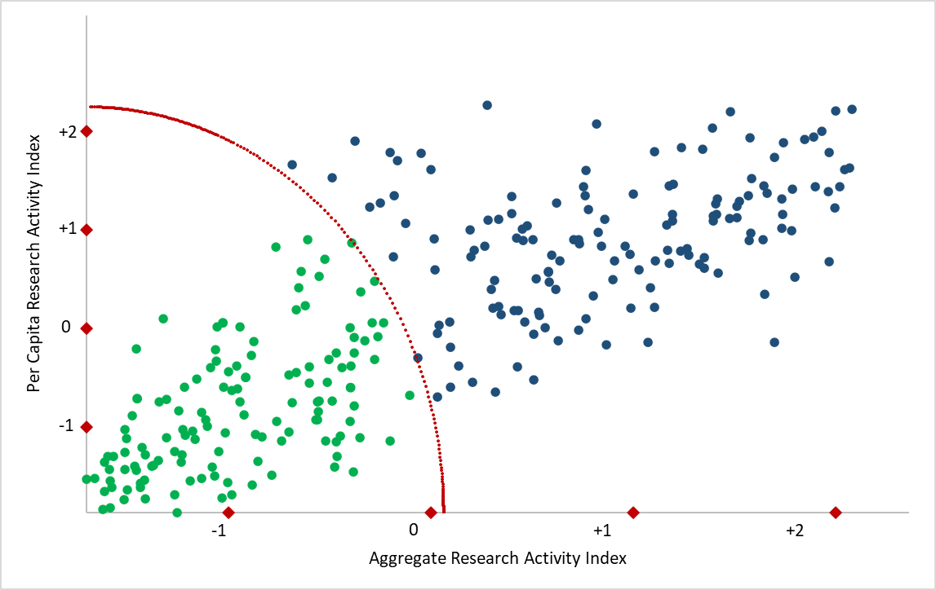

Legend:
Blue: R1: Doctoral Universities - Very High Research Activity
Green: R2: Doctoral Universities - High Research Activity
Notes:
-Points represent institutions.
-Units represent standard scores.
-X-axis represents aggregate research index; Y-axis represents the per capita research index.
-Doctoral Universities that are not included in the NSF data collections are not represented and all placed in the Doctoral/Professional Universities category
-To reduce the influence of outliers, we converted the raw data to rank scores. This had the effect of compressing differences at the high end of the distributions while increasing differences at the low end, where a large number of institutions were clustered.

